Cohort Diagrams
CDC COVID Query v## - Chronic Disease Analytic Query Cohort Diagrams
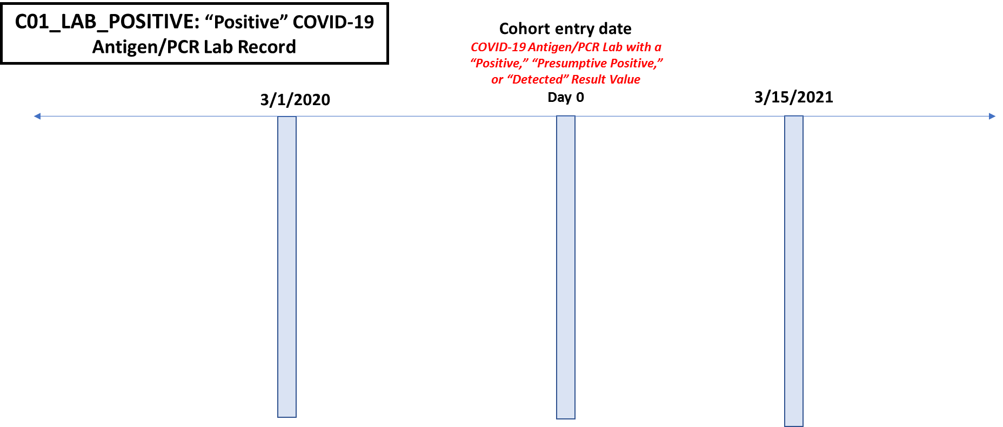

2/28/2022

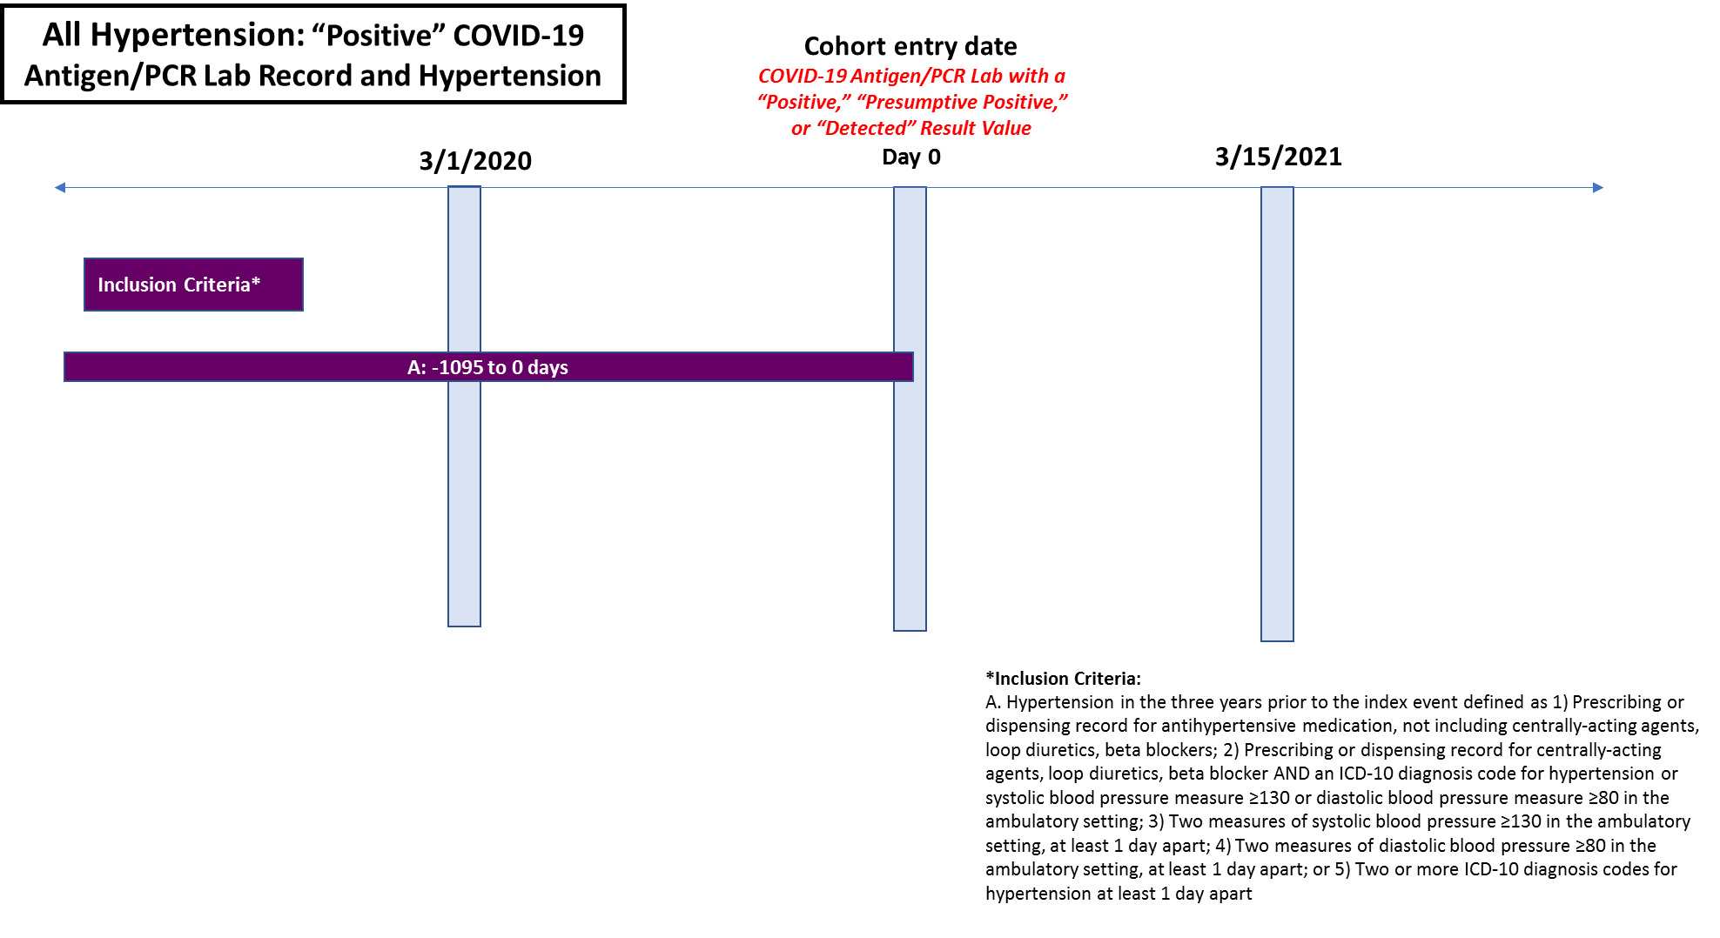

2/28/2022

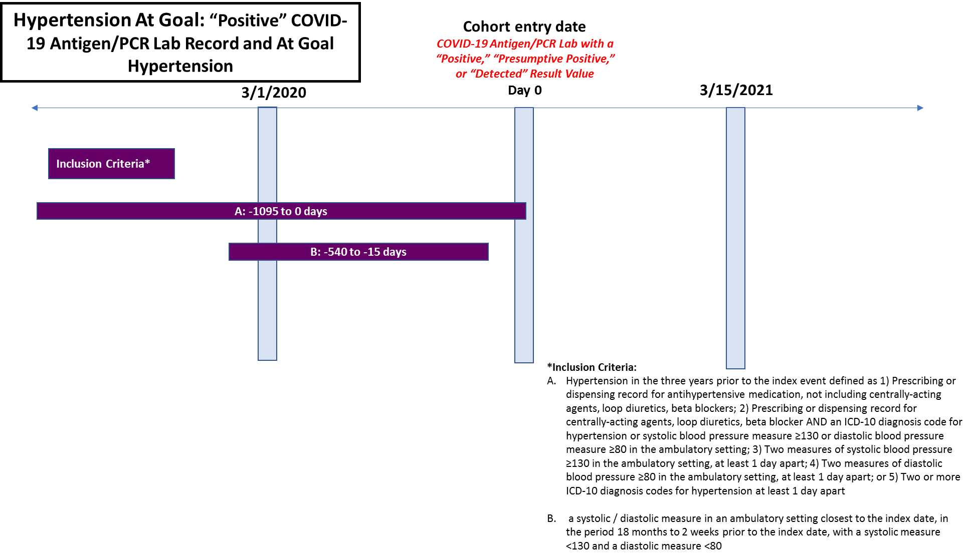

1/31/2022
2/28/2022



1/31/2022
2/28/2022



2/28/2022

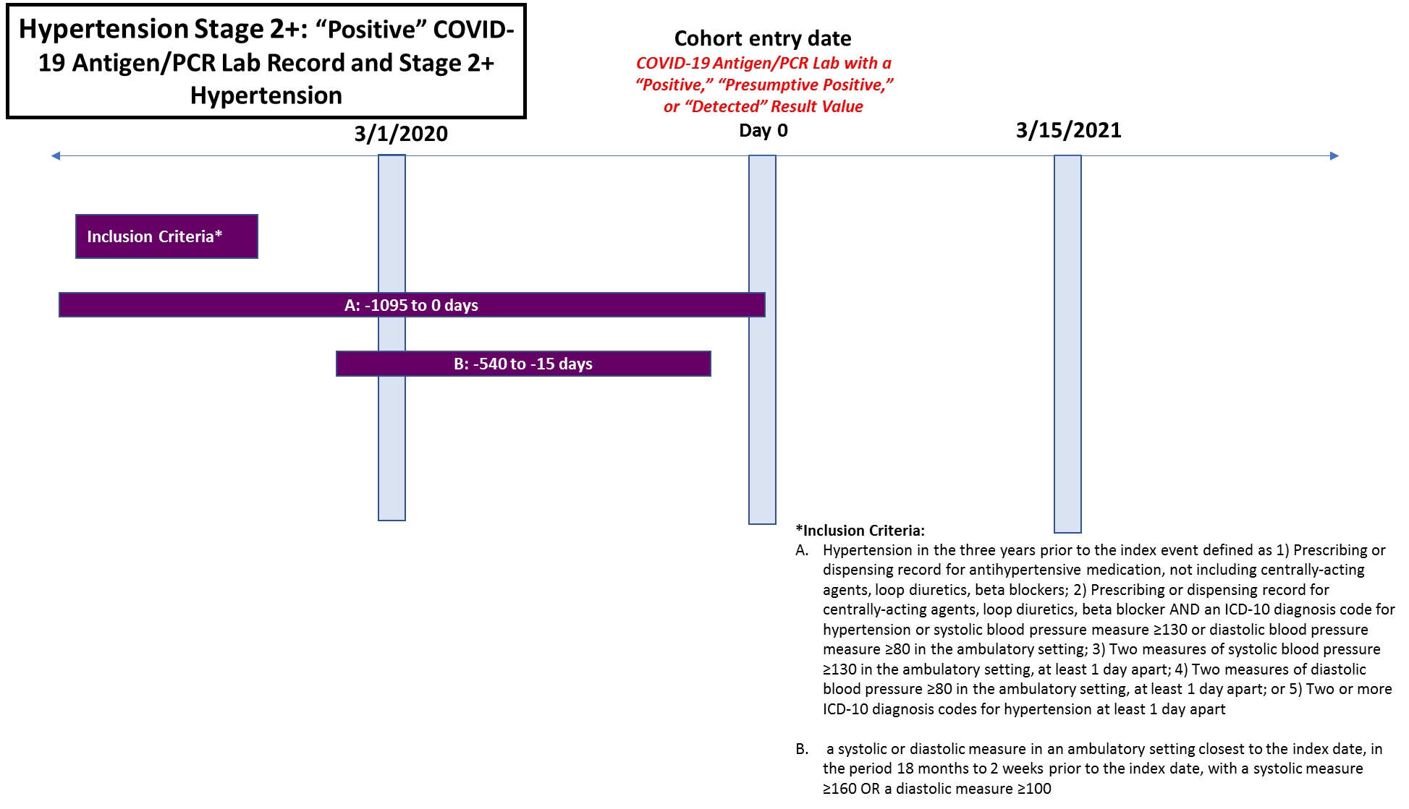

2/28/2022

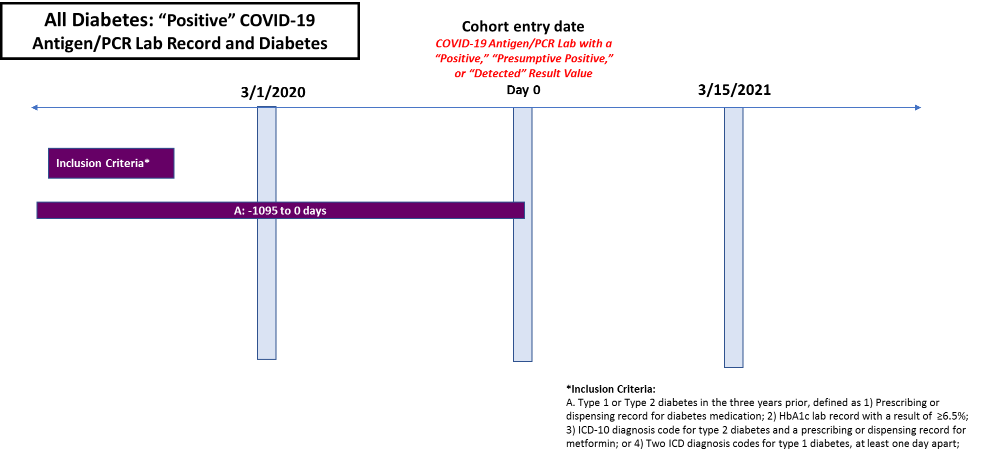

2/28/2022

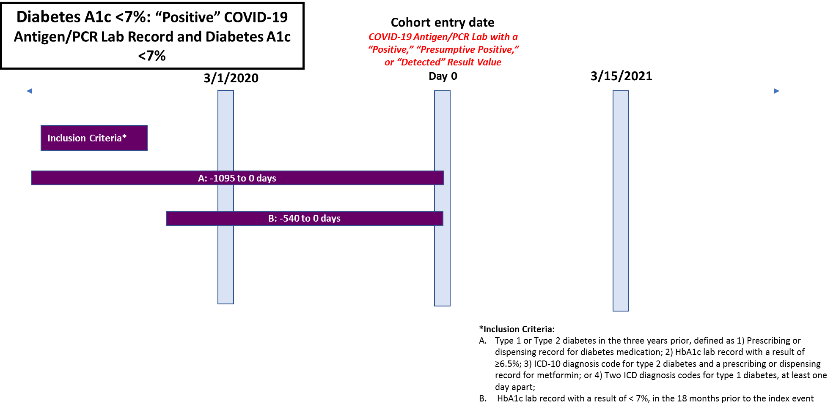

2/28/2022



2/28/2022



2/28/2022

